Hiearchy View
CLASS: TRASH CAN
a container for the disposal of dry waste matter. |  | 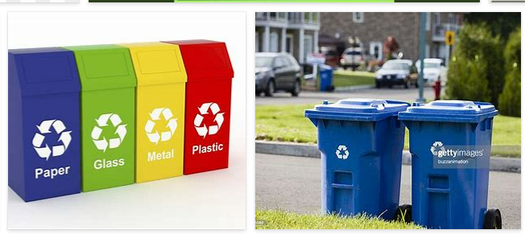
REMOVE | N

PROBLEM_DESC | CAUSE_DESC | REMEDY_DESC
BROKEN/DAMAGED
LEAKING
OTHER PROBLEM
PESTS
SMELL
STOPPED/SLOWED/POOR OPS
TEMP-CTRL
Grand Total

